TECH SHEET
DATE | 2026-04-13
SEASON | AW2627 - BULK INSTRUCTIONS
CUSTOMER/LABEL | THE JACK LEATHERS
SUPPLIER | PAKKAR
STYLE NAME | TOWER
DESCRIPTION | MAN FIELD JACKET
PPS JKT MADE IN col. 06 DARK BROWN BUT THE VELVET USED IS WRONGLY in col. DARK GREEN, IMPROVE IN BULK following our instructions
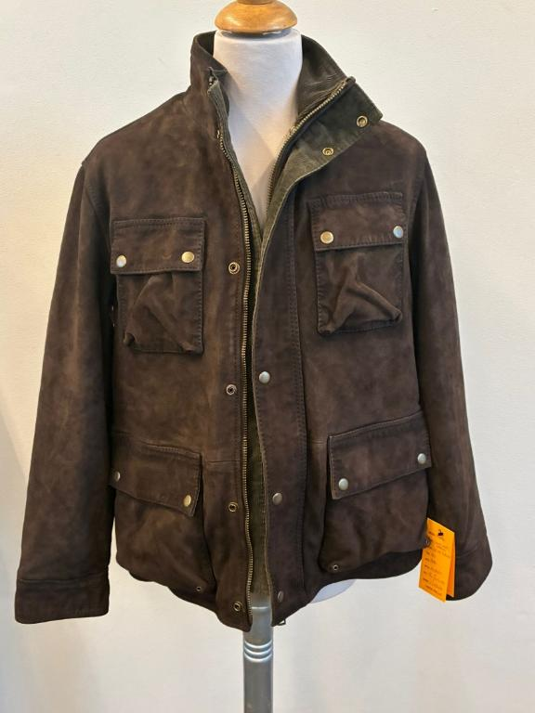 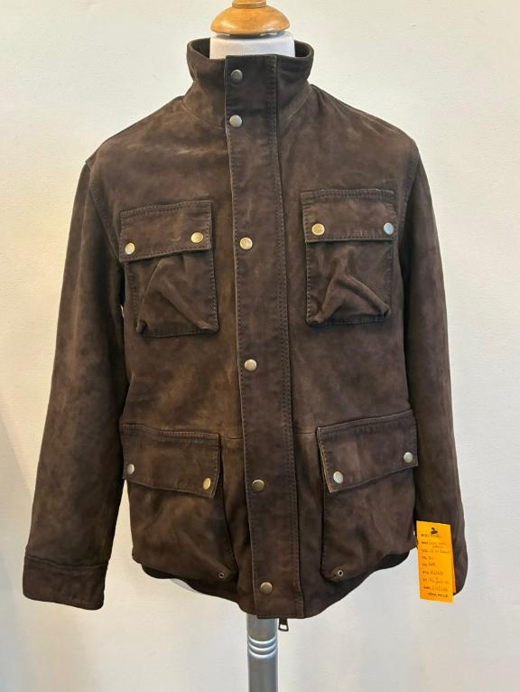 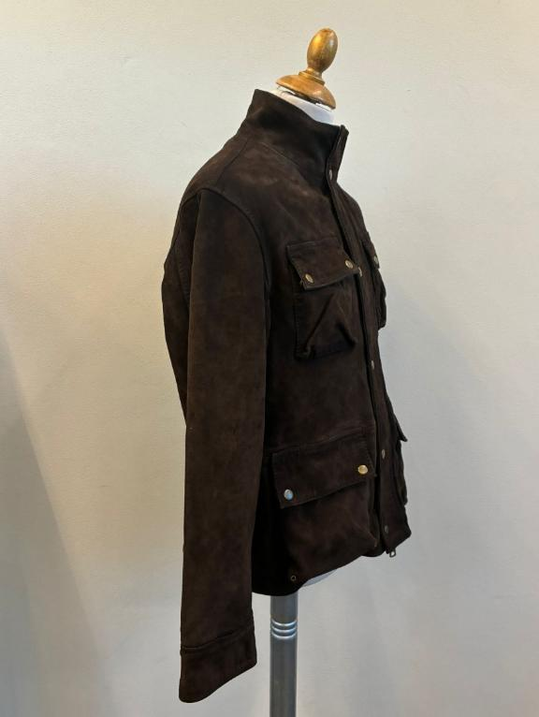 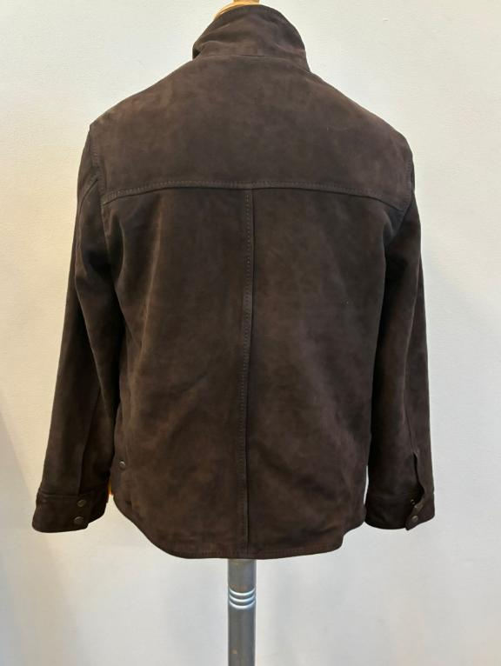 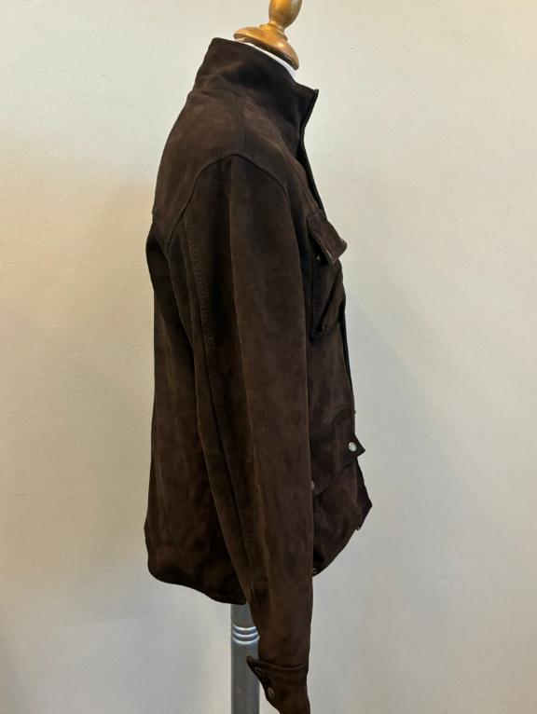 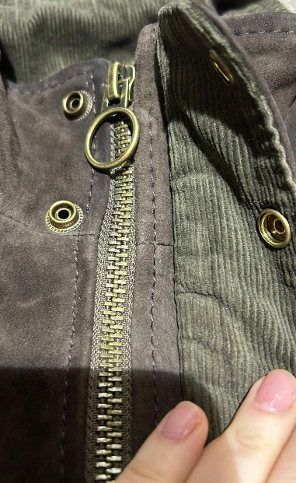 PICTURES
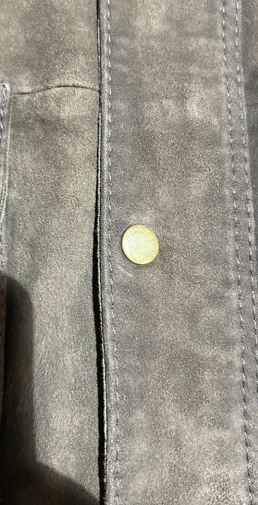 LEATHER QUALITY | SUEDE, NOT FULLY FUSED, OK AS PER SMS/PPS SPRAY WASH ON SEAMS & THEN TUMBLED, OK AS PER SMS/PPS THE DARKENING IS ONLY A LIGHT SHADING, DO NOT MAKE HEAVY DARKENING, OK AS PER SMS/PPS SUEDE SUBSTANCE AFTER WASHING, 0,75/0,80mm, THE SUBSTANCE MUST BE NOT MORE THAN 0,8mm KINLDLY KEEP THE SOFTNESS OF SUEDE IN BULK THE SUEDE TOUCH MUST BE SOFT >AVOID PLEATS, AVOID LEATHER MARKS, VEINS MARKS >THE PANELS SHOULD HAVE SAME HAIRY-DIRECTION IN EVERY PANELS, NO MISMATCHING >AVOID GLUE STAINS + VELVET CORDUROY FOR INSIDE COLLAR + UNDER POCKETS-FLAP +INSIDE CUFFS + UNDER MAIN PLACKET+ UNDER ZIP PLACKET, OK PER SMS/PPS>>> WHEN THE UNDER PARTS ARE IN VELVET, THEY MUST NOT BE VISIBLE OUTSIDE OVER THE LEATHER EDGES >>SEE SIDE CHART FOR COMBINATION OF SUEDE COLOR + art VELVET COLOR >FOR SUEDE col. 707 FOREST -> USE CORDUROY col. DARK GREEN, OK AS PER SMS >FOR SUEDE col. J24 WHISKY and col. 06 DARK BROWN -> USE CORDUROY col. DARK BROWN PPS JKT MADE IN col. 06 DARK BROWN BUT THE VELVET USED IS WRONGLY in col. DARK GREEN, IMPROVE IN BULK following our instructions KINDLY ASK THE VELVET, DIRECTLY TO mr AEJAZ
WHEN THE UNDER PARTS ARE IN VELVET, THEY MUST NOT BE VISIBLE OUTSIDE OVER THE LEATHER EDGES
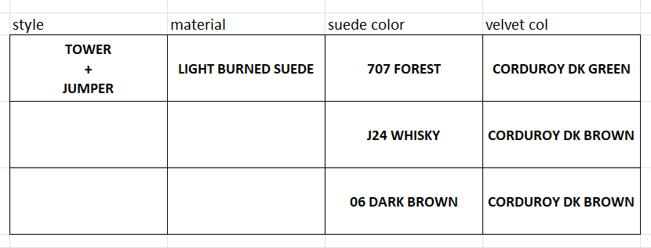 COLOUR/S | col.707 FOREST -> OK AS PER SMS style CLERMONT seal n°405 sent back for reference, to be copy in color/shade/tone col.J24 WHISKY-> FOLLOW THE SUEDE SWATCH REFERENCE COLOR SENT YOU, to be copy in color/shade/tone, AVOID FADED SKINS col.06 DARK BROWN -> OK AS PER SMS style ADELE KNIT suede part seal n°409 sent back for reference, to be copy in color/shade/tone
PATTERN | 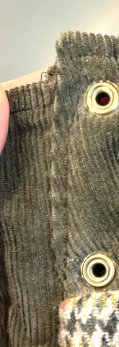 THE PPS IN SIZE 50 HAS BEEN APPROVED, AND WE’RE GRADING THE PATTERN ACCORDINGLY THE SIZE CHART HAS BEEN SLIGHTLY REVISED BASED ON THE PPS RESULTS AFTER WASHING PLEASE PROCEED IN BULK
 | LINING & TRIMS
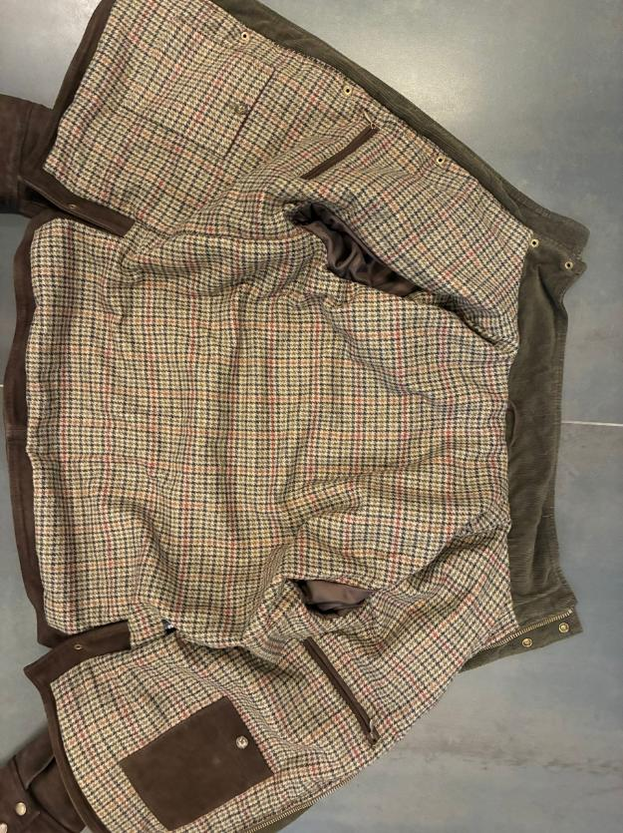 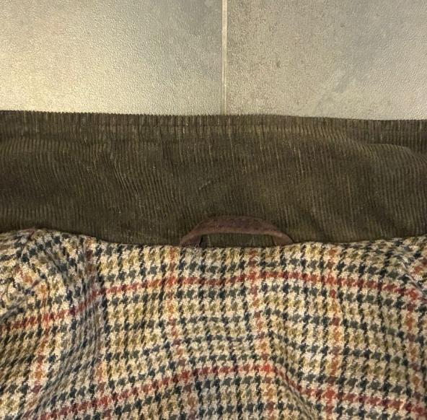 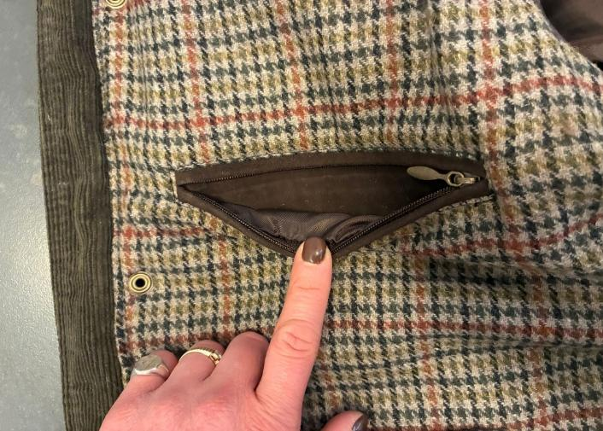 BODY LINING | >BODY LINED >NO LEATHER BODY FACING (LINING TEXTILE SHOULD ARRIVE UNTIL THE FRONT EDGE), TAKE CARE THIS STITCHING SHOULD BE PRECISELY MADE >>PLEASE AVOID ROUGH EDGES, UNEVEN STITCHING, AND IRREGULAR BORDERS >>THE PPS IS NOT ACCEPTABLE, see side pictures, PLEASE IMPROVE AND ENSURE PROPER CONTROL IN BULK PRODUCTION >FOR BODY LINING PLEASE USE WOOLISH TEXTILE art SCOTLAND col 1701 pied de poule green, TEXTILE PROVIDED BY US →TEXTILE art SCOTLAND-LG col 1701, OK AS PER SMS/PPS, FIXED FOR ALL SUEDE COLORS TAKE CARE OF LINING LENGTH, IT SHOULD HAVE EXTRA LENGTH, AS USUAL, TO AVOID PULLING THE LEATHER SHELL CHECK CAREFULLY THE LINING LENGTH AFTER WASHING 4 LINING POCKETS, OK AS PER SMS/PPS >2 CHEST POCKETS WITH SUEDE WELTS & NYLON ZIPPER zipper with drop shaped puller antique brass finishing >> NYLON ZIPPER COLOR MATCHING SUEDE TEXTILE >2 BOTTOM RECTANGLE POCKETS, CLOSED BY BUTTON, COROZO BUTTON SIZE 28 col GREIGE, buttons PROVIDED BY US, ON THE PPS, AVAILABLE BUTTONS WERE USED, BUT THEY ARE NOT OK FOR BULK PRODUCTION, PLEASE USE THE BUTTONS PROVIDED BY US FOR BULK ON LEFT PANEL, BOTTOM POCKET IN SUEDE, WITH "THE JACK" EMBOSSED LOGO PRINT WELL VISIBLE, ON PPS THE EMBOSSED LOGO IS MISSING, IMPROVE FOR BULK ON RIGHT PANEL, BOTTOM POCKET IN LINING TEXTILE >SUEDE HANGER-LOOP 6,5cm WIDE

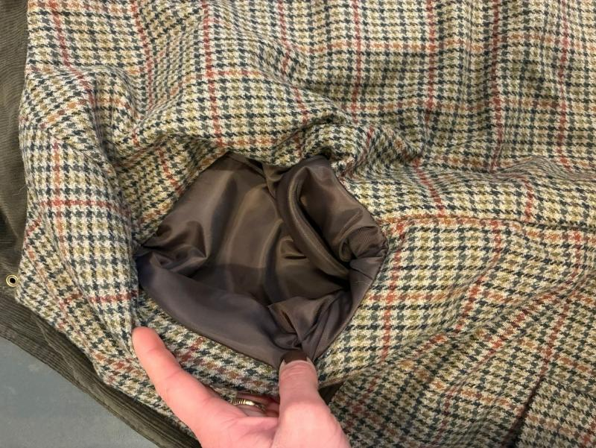 SLEEVES LINING | SLEEVES LINING: PLEASE USE LIGHT POLY SATIN/TAFTA' MATCHING SUEDE COLOR, provided by you >>TAKE CARE THAT SLEEVES LINING WILL HAVE SOME EXTRA IN LENGHT TO NOT PULL THE OUTSHELL, CHECK CAREFULLY THE LINING LENGTH AFTER WASHING
GROS GRAIN TAPE | NO
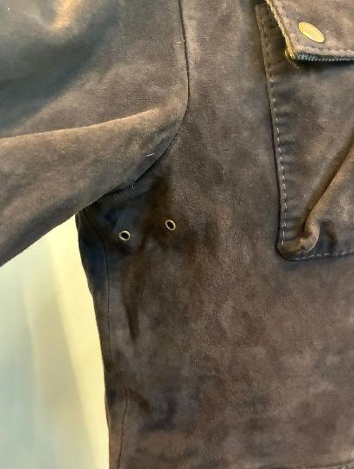 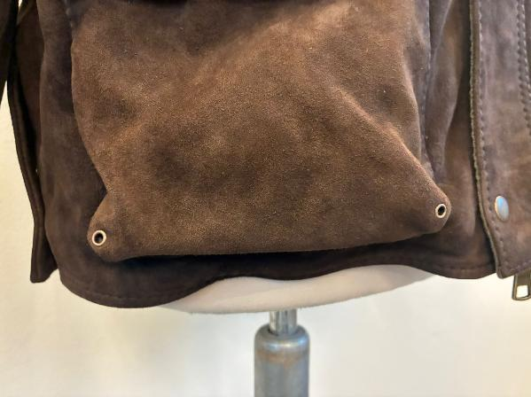 BUTTONS/ACCESSORIES | PLEASE USE PRESS-BUTTONS, FLAT CAP, RING-TYPE IN ANTIQUE BRASS FINISHING USE VISIBLE PRESS-BUTTONS: >>>PRESS-BUTTONS 15mm FOR MAIN CLOSURE, SIDE BACK SLIT, CUFFS, POCKET FLAP ( 2 BUTTONS FOR EACH FLAP), PLEASE ENSURE THAT THE PRESS BUTTONS ARE NOT TOO HARD TO OPEN OR CLOSE, THE PRESS BUTTONS USED ON THE PPS ARE SLIGHTLY HARD TO CLOSE >>ALL PRESS BUTTONS INSIDE SHOULD HAVE PLASTIC/SUEDE-REINFORCEMENT >>METAL EYELETS IN ANTIQUE BRASS FINISHING FOR BOTTOM POCKETS AT THE ANGLES, OK AS PER SMS/PPS >>METAL EYELETS IN ANTIQUE BRASS FINISHING UNDER ARMPIT ON BODY PANEL, OK AS PER SMS/PPS
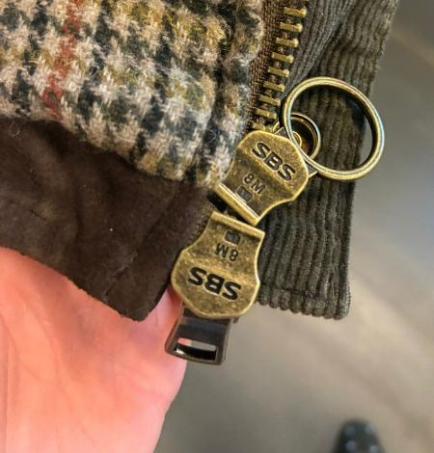 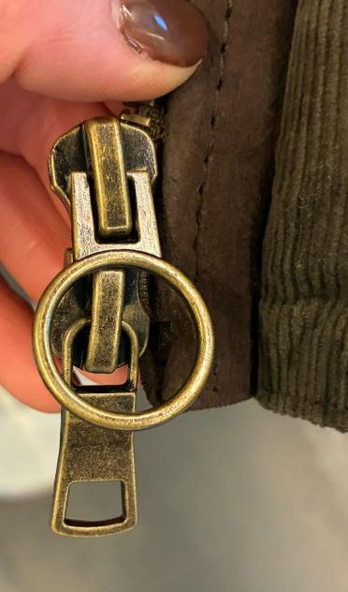 ZIPPERS | PLEASE USE SBS , GOOD QUALITY ANTIQUE BRASS FINISHING, FOR TEETH AND SLIDER BOTH, OK AS PER SMS/PPS >>MAIN CLOSURE USE n 8 ZIPPER, DOUBLE SLIDERS, OK AS PER SMS/PPS IN BULK, KINDLY IMPROVE THE STITCHING OF THE MAIN ZIPPER THAT MUST BE IN THE MIDDLE, ENSURING THE SAME DISTANCE FROM BOTH EDGES AND THAT IT MUST NOT BE WAVY, SEE SIDE PPS PICTURE THAT ARE NOT OK >>KINDLY USE CIRCLE SHAPE FOR TOP PULLER AND MAN PULLER FOR BOTTOM ONE, OK AS PER SMS/PPS LEAVE ENOUGH ROOM FOR SLIDERS RUN, ESPECIALLY AT THE BASE OF THE INSIDE PLACKET THE MAIN ZIPPER HAS AN OUTER + INNER PLACKET. MAKE SURE THE PULLERS HAVE SPACE TO RUN >>>NO LEATHER PULLERS
PADDING | USE VERY LIGHT PADDING FOR BODY & SLEEVES, GRAMAMGE & QUALITY OF INDIAN PADDNG CONFIRMED AS PER PPS SLEEVES ARE LESS PADDED THAN BODY, CONFIRMED AS PER PPS
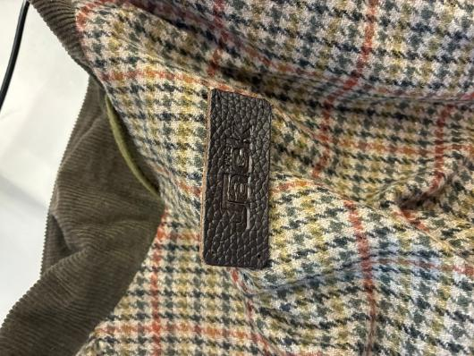 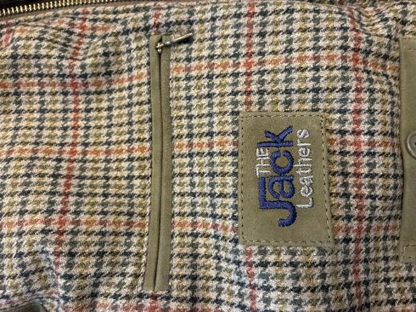 LABELLING | 1_MAIN LABEL >PLEASE USE THE EMBOSSED LABEL "JACK" IN PRINTED LEATHER TO BE STITCH UNDER COLLAR,col DARK BROWN WITH 4 HOLES, FIXED FOR ALL SUEDE COLORS >>PLEASE LIAISE WITH MR AEJAZ FOR THIS LABEL >FIXED TO THE LINING UNDER BACK NECKLINE AT 4cm, STITCH IT ON 4 ANGLES BY HAND STITCH 2_EMBROIDERED LABEL, PLACEMENT UNDER LEFT CHEST LINING ZIPPER >PLEASE MAKE THE LOGO "THE JACK LEATHERS" EMBROIDERED ON A SUEDE RECTANGLE AND PATCHED >KINDLY MAKE THE PATCH 7cm WIDE and 4,5cm high >FOLDED EDGES FOR SUEDE RECTANGLE + EDGE STITCHING ALL AROUND >"THE " and " LEATHERS" LOGO EMBROIDERED WITH DARK GREY THREAD, FIXED FOR ALL SUEDE COLORS >"JACK" LOGO EMBROIDERED IN COLOR DARK BLUE, FIXED FOR ALL SUEDE COLORS

HANGTAG | EMBROIDERED HANGTAG LEATHER HANG TAG WITH antique brass eyelet FOLDED EDGES + SINGLE 3mm STITCHING FROM EDGES-MATCHING LEATHER COLOR FRONT SIDE: >"THE " and " LEATHERS" LOGO EMBROIDERED WITH DARK GREY THREAD, FIXED FOR ALL SUEDE COLORS >"JACK" LOGO EMBROIDERED IN COLOR DARK BLUE, FIXED FOR ALL SUEDE COLORS TEXTILE FOR BACK SIDE: BACK LABEL LAYER IN BODY LINING FABRIC FOLDED EDGES THE CARTON-HANGTAGS INFORMATION DOCUMENTS WILL BE SENT by MS LUANA TAKE CARE THAT THE CARTON-TAGS ATTACHED TO SMS ARE NOT OK FOR PRODUCTION REFERENCE
PRINTED LABELS | PRINTED LABELS, provided by you 1st PLACE *SIZE LABEL 2nd PLACE *FACEBOOK INSTAGRAM 3rd PLACE *DISTRIBUITO DA 4th PLACE *WASH CARE LABEL 5th PLACE *MADE IN INDIA ->THESE PRINTED LABELS PROVIDED BY YOU SHOULD BE WITH BLACK GROUND AND WHITE LETTERING/PRINT STITCHED ON THE WEARER'S LEFT LINING SIDE
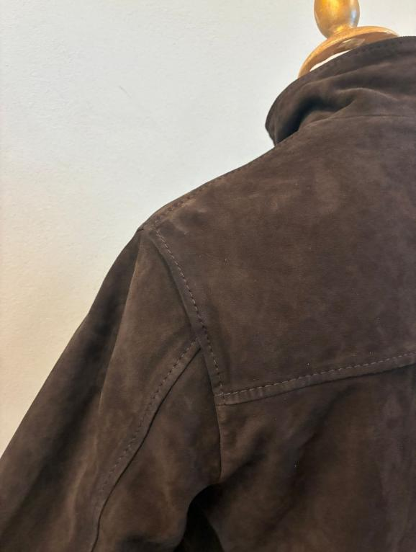 STITCHING | 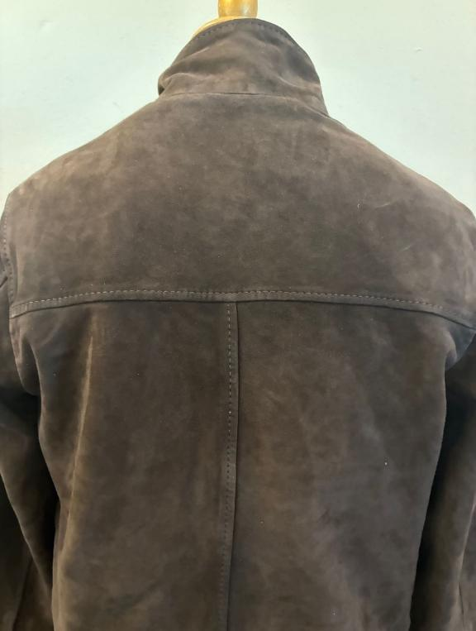 >PLEASE USE BIG THREAD (3 PLY, TICKET 10 OR 15.) LONG STITCH >>>THREAD MATCHING BASE COLOR >USE THICK THREAD 1 TONE DARKER THAN LEATHER AFTER WASHING, OK AS PER SMS/PPS >>GENERAL STITCHING OK AS PER SMS/PPS
TAKE CARE OF DELIVERY PACKING AVOID IMPRESSION OF CARTON TAGS or seals, KINDLY WRAP THEM WITH SOFT PAPER AVOID MAIN ZIPPER OR PKTS SHAPE ON THE JKT PANELS

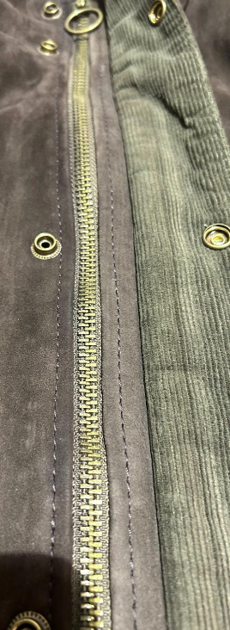
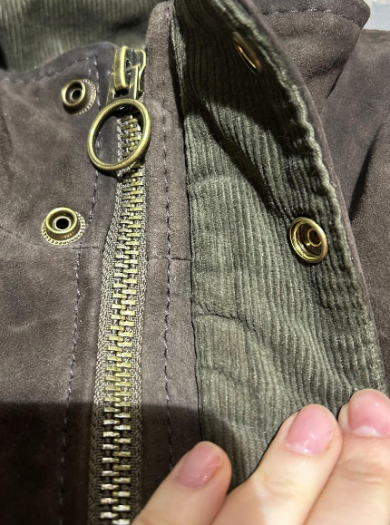
IN BULK, KINDLY IMPROVE THE STITCHING OF THE MAIN ZIPPER THAT MUST BE IN THE MIDDLE, ENSURING THE SAME DISTANCE FROM BOTH EDGES AND THAT IT MUST NOT BE WAVY, SEE SIDE PPS PICTURE THAT ARE NOT OK
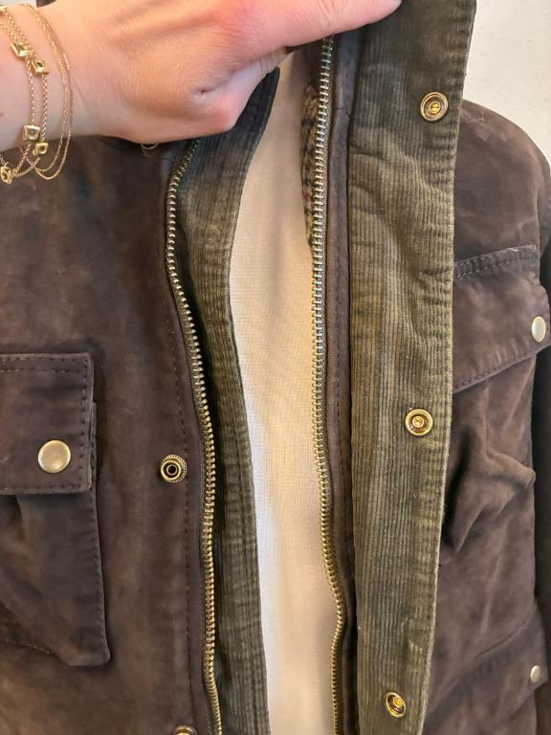
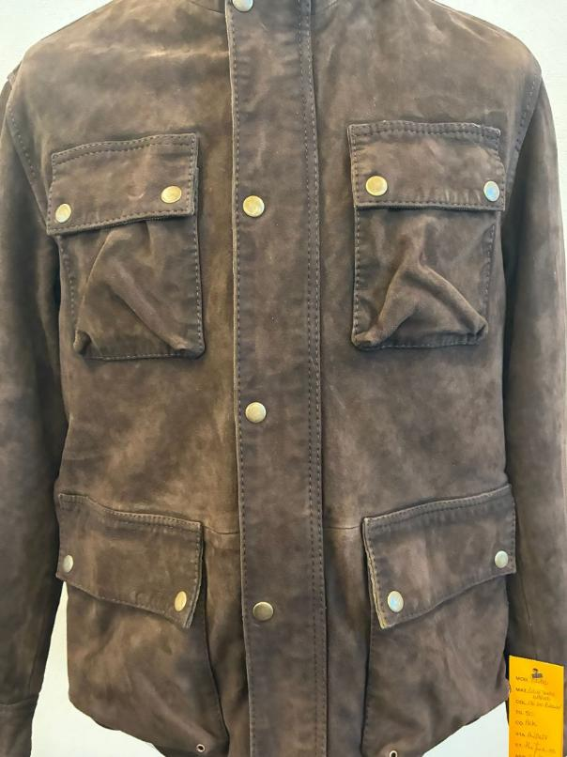
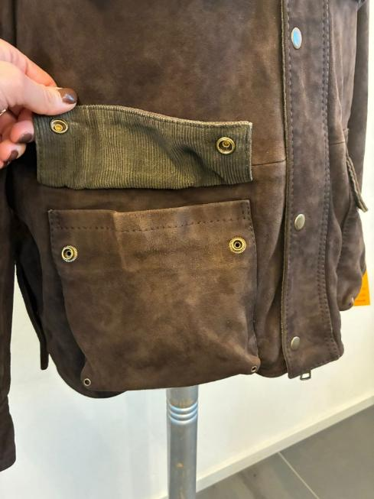
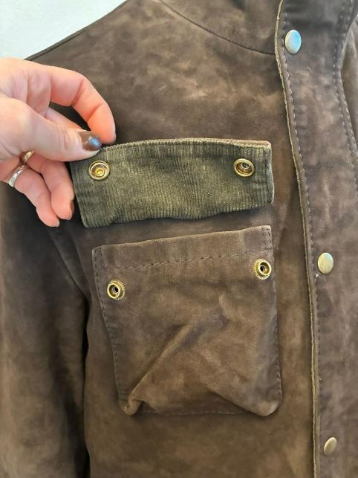
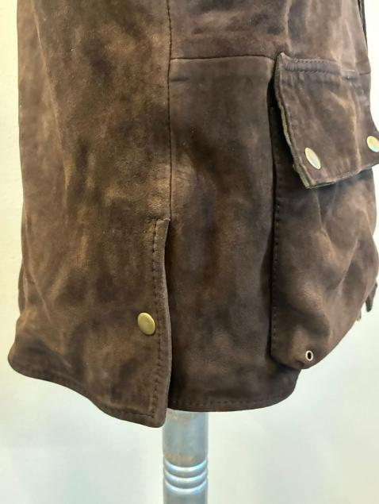
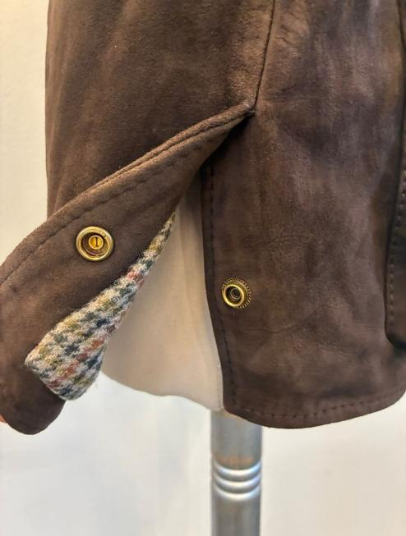
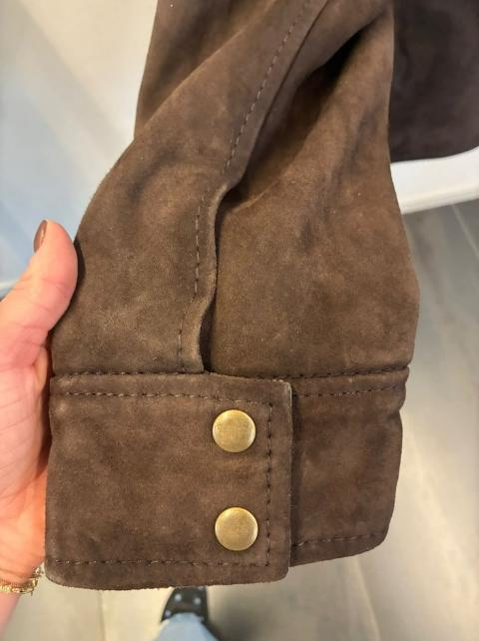
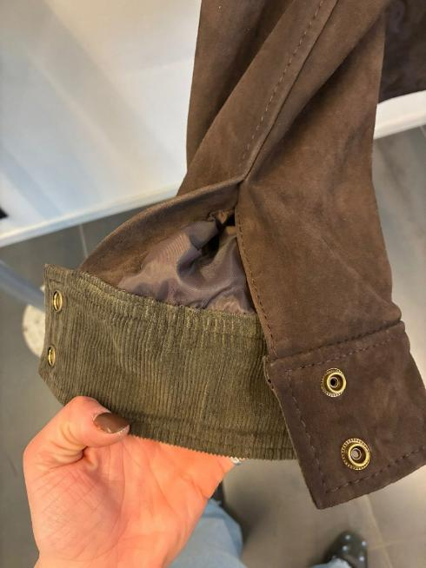

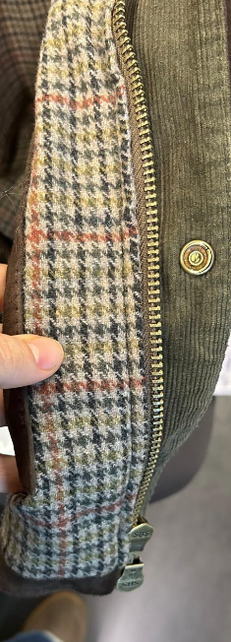
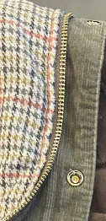
>>PLEASE AVOID ROUGH EDGES, UNEVEN STITCHING, AND IRREGULAR BORDERS
>>THE PPS IS NOT ACCEPTABLE, see side pictures, PLEASE IMPROVE AND ENSURE PROPER CONTROL IN BULK PRODUCTION

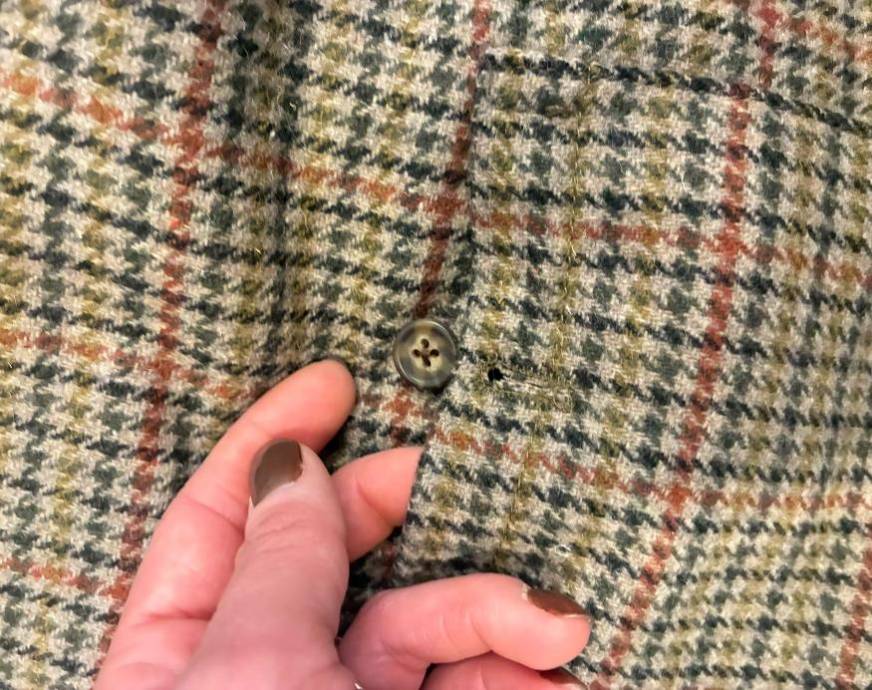
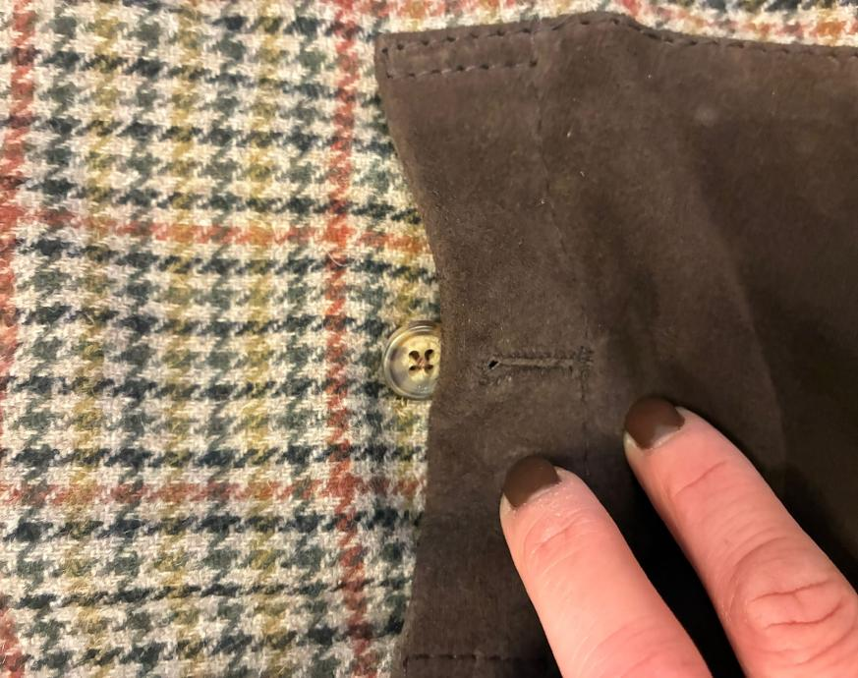
ON PPS THE EMBOSSED LOGO IS MISSING, IMPROVE FOR BULK
ON THE PPS, AVAILABLE BUTTONS WERE USED, BUT THEY ARE NOT OK FOR BULK PRODUCTION, PLEASE USE THE BUTTONS PROVIDED BY US FOR BULK

